Summary note
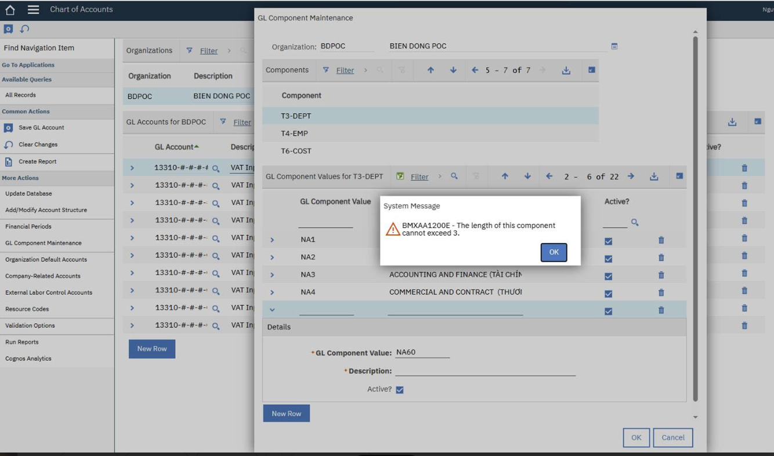
SUMMARY NOTE

ISSUE | NGUYÊN NHÂN | KẾT LUẬN | CÁCH KHẮC PHỤC | GHI CHÚ
Users encountered error BMXAA1200E when attempting to add a 4-character GL component value (e.g., "NA60") to a component restricted to 3 characters (e.g., "T3-DEPT"). | GL component lengths in Maximo are constrained by a configuration mechanism where they cannot exceed the System-level length (defined in GL Account Configuration), which is currently restricted to a maximum length of 3 | Users are prevented from creating new GL component codes that exceed the current length constraints, halting specific financial configuration updates. | Modify the maximum length to allow the new GL component value to be saved.

